From SAM Data Pull
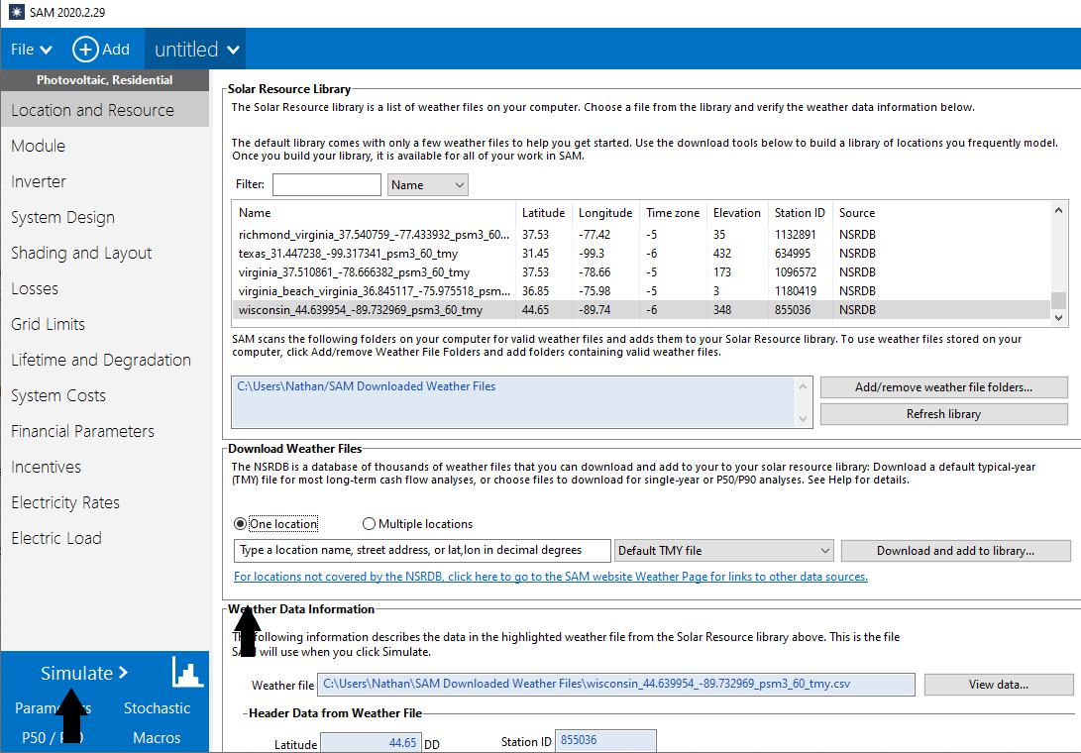
Arizona | 20.8
Colorado | 20.2
Florida | 18.8
Illinois | 16.6
Indiana | 16.3
Iowa | 16.4941
Maine | 14.8002
Maryland | 16.6537
Michigan | 14.8429
Minnesota | 16.115
Nevada | 19.7212
New Jersey | 16.4038
New Mexico | 21.6853
North Carolina | 17.1061
Ohio | 15.3332
Oregon | 17.6182
Pennsylvania | 14.695
Texas | 18.986
Virginia | 16.3321
Wisconsin | 15.9392
California | 20.81

National Capacity factors
 | 2017 | 2018 | 2019 | 2020 | 2021 | 2022 | 2023 | 2024 | 2025 | 2026 | 2027 | 2028 | 2029 | 2030 | 2031 | 2032 | 2033 | 2034 | 2035 | 2036 | 2037 | 2038 | 2039 | 2040 | 2041 | 2042 | 2043 | 2044 | 2045 | 2046 | 2047 | 2048 | 2049 | 2050
Capacity Factor (dimensionless) | 0.1652 | 0.1654 | 0.1655 | 0.1657 | 0.1659 | 0.1661 | 0.1662 | 0.1664 | 0.1666 | 0.1667 | 0.1669 | 0.1671 | 0.1673 | 0.1674 | 0.1676 | 0.1678 | 0.1680 | 0.1681 | 0.1683 | 0.1685 | 0.1686 | 0.1688 | 0.1690 | 0.1692 | 0.1693 | 0.1695 | 0.1697 | 0.1699 | 0.1700 | 0.1702 | 0.1704 | 0.1705 | 0.1707 | 0.1709
Normalized to 2019 growth | 0.99791404819 | 0.99895702409 | 1 | 1.0010429759 | 1.0020859518 | 1.0031289277 | 1.0041719036 | 1.0052148795 | 1.0062578554 | 1.0073008313 | 1.0083438072 | 1.0093867832 | 1.0104297591 | 1.011472735 | 1.0125157109 | 1.0135586868 | 1.0146016627 | 1.0156446386 | 1.0166876145 | 1.0177305904 | 1.0187735663 | 1.0198165422 | 1.0208595181 | 1.021902494 | 1.0229454699 | 1.0239884458 | 1.0250314217 | 1.0260743976 | 1.0271173735 | 1.0281603495 | 1.0292033254 | 1.0302463013 | 1.0312892772 | 1.0323322531

